Reward means
Calculating Mean Metrics: |  |  | Plotting Mean Metrics:
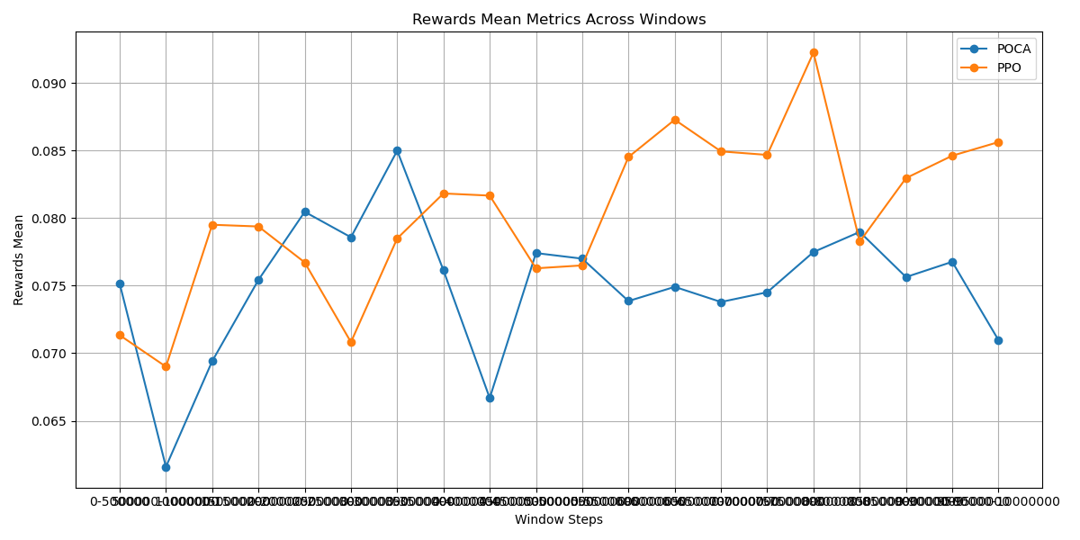
Window Mean Table:
Window | POCA | PPO
0-500000 | 0.075145 | 0.071334
500000-1000000 | 0.061591 | 0.069003
1000000-1500000 | 0.069408 | 0.079502
1500000-2000000 | 0.07542 | 0.079374
2000000-2500000 | 0.080459 | 0.076716
2500000-3000000 | 0.078575 | 0.070817
3000000-3500000 | 0.08498 | 0.078487
3500000-4000000 | 0.076134 | 0.081817
4000000-4500000 | 0.066682 | 0.081658
4500000-5000000 | 0.077407 | 0.076279
5000000-5500000 | 0.076993 | 0.076494
5500000-6000000 | 0.073857 | 0.084513
6000000-6500000 | 0.074906 | 0.087273
6500000-7000000 | 0.073789 | 0.084929
7000000-7500000 | 0.074507 | 0.084669
7500000-8000000 | 0.077484 | 0.092244
8000000-8500000 | 0.078971 | 0.078252
8500000-9000000 | 0.075632 | 0.082951
9000000-9500000 | 0.07676 | 0.084611
9500000-10000000 | 0.070966 | 0.085618

Performing ANOVA test for Means:
ANOVA Results: F-statistic = 9.5480, P-value = 0.0037
There is a significant difference between groups.

Ranking Groups for Means:
Best Overall Group: PPO with Points = 33 and Average Value = 0.0803

Performing Pairwise T-Tests for Means:
{'Comparison': 'PPO vs POCA', 'T-statistic': 3.0899764901182856, 'P-value': 0.0037851490908216924, 'Significant': True}

The group 'PPO' is statistically significantly better than all other groups for Means.

Reward slopes
Calculating Slope Metrics: |  |  | Plotting Slope Metrics:
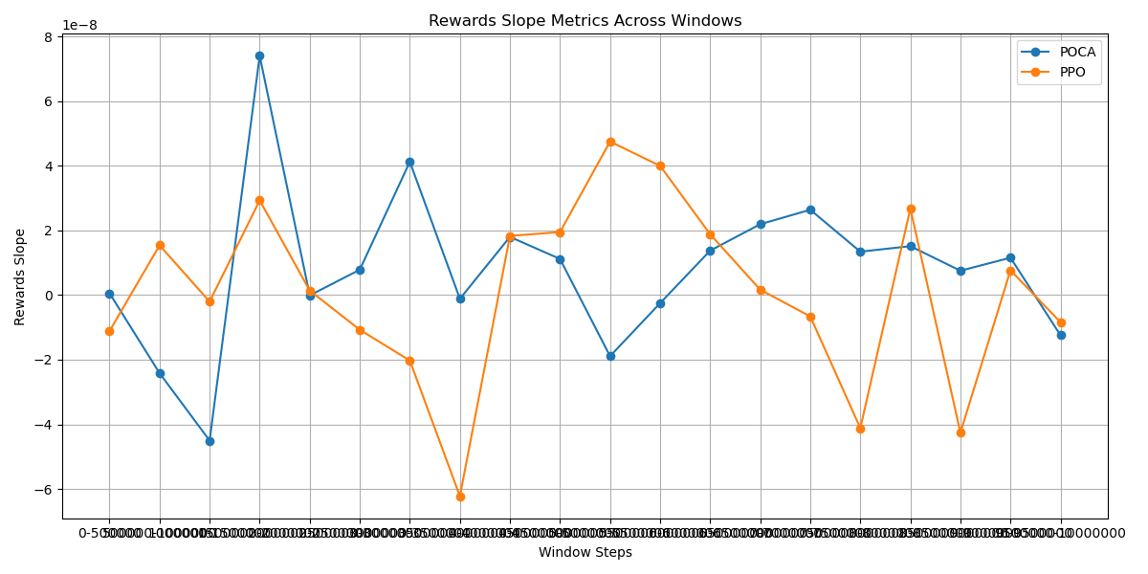
Window Slope Table:
Window | POCA | PPO
0-500000 | 5.59E-10 | -1.11E-08
500000-1000000 | -2.42E-08 | 1.54E-08
1000000-1500000 | -4.50E-08 | -2.02E-09
1500000-2000000 | 7.41E-08 | 2.93E-08
2000000-2500000 | -9.70E-11 | 1.40E-09
2500000-3000000 | 7.85E-09 | -1.07E-08
3000000-3500000 | 4.13E-08 | -2.03E-08
3500000-4000000 | -1.15E-09 | -6.23E-08
4000000-4500000 | 1.80E-08 | 1.83E-08
4500000-5000000 | 1.12E-08 | 1.95E-08
5000000-5500000 | -1.89E-08 | 4.75E-08
5500000-6000000 | -2.50E-09 | 4.00E-08
6000000-6500000 | 1.38E-08 | 1.88E-08
6500000-7000000 | 2.19E-08 | 1.68E-09
7000000-7500000 | 2.64E-08 | -6.60E-09
7500000-8000000 | 1.34E-08 | -4.12E-08
8000000-8500000 | 1.51E-08 | 2.68E-08
8500000-9000000 | 7.55E-09 | -4.26E-08
9000000-9500000 | 1.16E-08 | 7.68E-09
9500000-10000000 | -1.24E-08 | -8.40E-09

Performing ANOVA test for Slopes:
ANOVA Results: F-statistic = 0.6751, P-value = 0.4164
No significant difference between groups.

Ranking Groups for Slopes:
Best Overall Group: POCA with Points = 30 and Average Value = 0.0000

Performing Pairwise T-Tests for Slopes:
{'Comparison': 'POCA vs PPO', 'T-statistic': 0.8216326652872861, 'P-value': 0.4164951124640628, 'Significant': False}

The group 'POCA' is NOT statistically significantly better than all other groups for Slopes.

ELO means
Calculating Mean Metrics: |  |  | Plotting Mean Metrics:
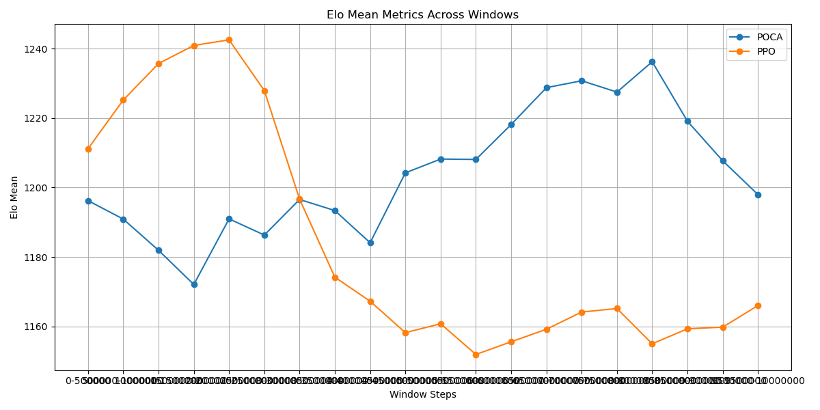
Window Mean Table:
Window | POCA | PPO
0-500000 | 1.20E+03 | 1.21E+03
500000-1000000 | 1.19E+03 | 1.23E+03
1000000-1500000 | 1.18E+03 | 1.24E+03
1500000-2000000 | 1.17E+03 | 1.24E+03
2000000-2500000 | 1.19E+03 | 1.24E+03
2500000-3000000 | 1.19E+03 | 1.23E+03
3000000-3500000 | 1.20E+03 | 1.20E+03
3500000-4000000 | 1.19E+03 | 1.17E+03
4000000-4500000 | 1.18E+03 | 1.17E+03
4500000-5000000 | 1.20E+03 | 1.16E+03
5000000-5500000 | 1.21E+03 | 1.16E+03
5500000-6000000 | 1.21E+03 | 1.15E+03
6000000-6500000 | 1.22E+03 | 1.16E+03
6500000-7000000 | 1.23E+03 | 1.16E+03
7000000-7500000 | 1.23E+03 | 1.16E+03
7500000-8000000 | 1.23E+03 | 1.17E+03
8000000-8500000 | 1.24E+03 | 1.16E+03
8500000-9000000 | 1.22E+03 | 1.16E+03
9000000-9500000 | 1.21E+03 | 1.16E+03
9500000-10000000 | 1.20E+03 | 1.17E+03

Performing ANOVA test for Means:
ANOVA Results: F-statistic = 5.6517, P-value = 0.0226
There is a significant difference between groups.

Ranking Groups for Means:
Best Overall Group: POCA with Points = 33 and Average Value = 1203.9423

Performing Pairwise T-Tests for Means:
{'Comparison': 'POCA vs PPO', 'T-statistic': 2.3773400465125025, 'P-value': 0.024168026272923172, 'Significant': True}

The group 'POCA' is statistically significantly better than all other groups for Means.

ELO slopes
Calculating Slope Metrics: |  |  | Plotting Slope Metrics:
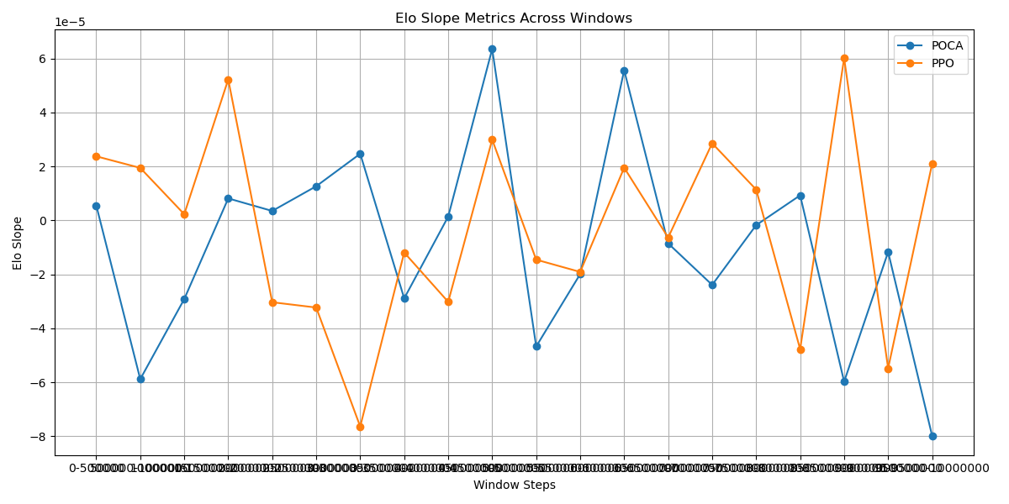
Window Slope Table:
Window | POCA | PPO
0-500000 | 6.00E-06 | 2.40E-05
500000-1000000 | -5.90E-05 | 1.90E-05
1000000-1500000 | -2.90E-05 | 2.00E-06
1500000-2000000 | 8.00E-06 | 5.20E-05
2000000-2500000 | 4.00E-06 | -3.00E-05
2500000-3000000 | 1.30E-05 | -3.20E-05
3000000-3500000 | 2.50E-05 | -7.60E-05
3500000-4000000 | -2.90E-05 | -1.20E-05
4000000-4500000 | 1.00E-06 | -3.00E-05
4500000-5000000 | 6.40E-05 | 3.00E-05
5000000-5500000 | -4.70E-05 | -1.50E-05
5500000-6000000 | -2.00E-05 | -1.90E-05
6000000-6500000 | 5.60E-05 | 2.00E-05
6500000-7000000 | -8.00E-06 | -6.00E-06
7000000-7500000 | -2.40E-05 | 2.90E-05
7500000-8000000 | -2.00E-06 | 1.10E-05
8000000-8500000 | 9.00E-06 | -4.80E-05
8500000-9000000 | -6.00E-05 | 6.00E-05
9000000-9500000 | -1.20E-05 | -5.50E-05
9500000-10000000 | -8.00E-05 | 2.10E-05

Performing ANOVA test for Slopes:
ANOVA Results: F-statistic = 0.3209, P-value = 0.5744
No significant difference between groups.

Ranking Groups for Slopes:
Best Overall Group: PPO with Points = 32 and Average Value = -0.0000

Performing Pairwise T-Tests for Slopes:
{'Comparison': 'PPO vs POCA', 'T-statistic': 0.5664515389069368, 'P-value': 0.5744175608672663, 'Significant': False}

The group 'PPO' is NOT statistically significantly better than all other groups for Slopes.

Entropy Means
Calculating Mean Metrics: |  |  |  |  | Plotting Mean Metrics:
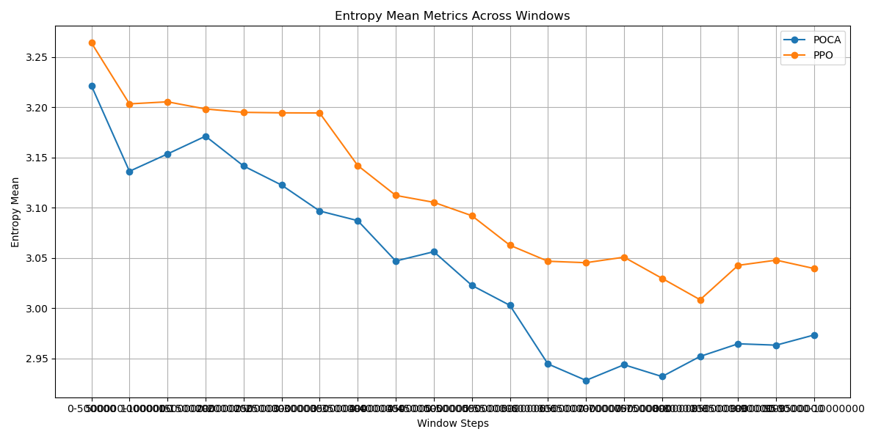
Window Mean Table:
Window | POCA Mean | PPO Mean | POCA Slope | PPO Slope
0-500000 | 3.22E+00 | 3.26E+00 | -1.55E-07 | -1.36E-07
500000-1000000 | 3.14E+00 | 3.20E+00 | -2.49E-07 | -8.77E-08
1000000-1500000 | 3.15E+00 | 3.21E+00 | 5.03E-08 | 4.21E-08
1500000-2000000 | 3.17E+00 | 3.20E+00 | 6.26E-08 | -4.33E-08
2000000-2500000 | 3.14E+00 | 3.19E+00 | -2.05E-07 | 4.40E-08
2500000-3000000 | 3.12E+00 | 3.19E+00 | 7.87E-08 | -7.48E-08
3000000-3500000 | 3.10E+00 | 3.19E+00 | -9.46E-08 | -7.68E-08
3500000-4000000 | 3.09E+00 | 3.14E+00 | 1.29E-08 | -8.51E-08
4000000-4500000 | 3.05E+00 | 3.11E+00 | 7.90E-09 | -7.15E-08
4500000-5000000 | 3.06E+00 | 3.11E+00 | -3.99E-08 | -2.86E-08
5000000-5500000 | 3.02E+00 | 3.09E+00 | -6.30E-08 | -2.60E-08
5500000-6000000 | 3.00E+00 | 3.06E+00 | -4.15E-08 | -4.66E-08
6000000-6500000 | 2.94E+00 | 3.05E+00 | -1.20E-08 | -1.28E-07
6500000-7000000 | 2.93E+00 | 3.05E+00 | 2.21E-08 | 9.56E-08
7000000-7500000 | 2.94E+00 | 3.05E+00 | -4.23E-08 | -3.91E-08
7500000-8000000 | 2.93E+00 | 3.03E+00 | 3.37E-09 | -8.02E-08
8000000-8500000 | 2.95E+00 | 3.01E+00 | 3.78E-08 | 3.59E-08
8500000-9000000 | 2.96E+00 | 3.04E+00 | 4.04E-08 | 5.23E-08
9000000-9500000 | 2.96E+00 | 3.05E+00 | 3.04E-08 | -1.13E-08
9500000-10000000 | 2.97E+00 | 3.04E+00 | -2.26E-08 | -2.99E-08

Performing ANOVA test for Means:
ANOVA Results: F-statistic = 6.8620, P-value = 0.0126
There is a significant difference between groups.

Ranking Groups for Means:
Best Overall Group: POCA with Points = 40 and Average Value = 3.0430

Performing Pairwise T-Tests for Means:
{'Comparison': 'POCA vs PPO', 'T-statistic': -2.6195367298367715, 'P-value': 0.012697826107972732, 'Significant': True}

The group 'POCA' is statistically significantly better than all other groups for Means.

Entropy slopes
Calculating Slope Metrics: |  |  | Plotting Slope Metrics:
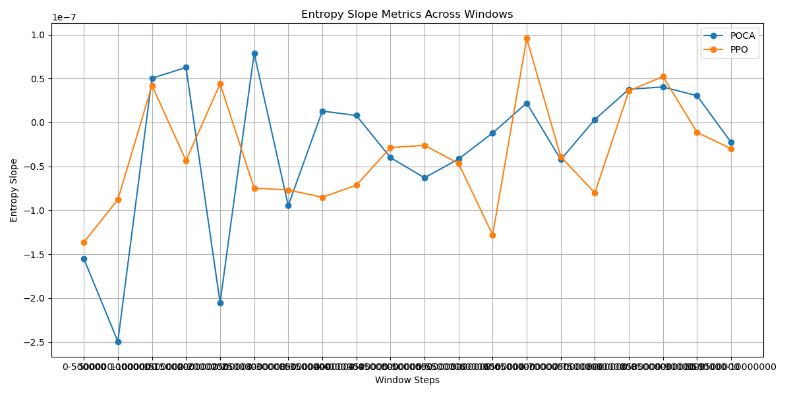
Window Slope Table:
Window | POCA | PPO
0-500000 | -1.55E-07 | -1.36E-07
500000-1000000 | -2.49E-07 | -8.77E-08
1000000-1500000 | 5.03E-08 | 4.21E-08
1500000-2000000 | 6.26E-08 | -4.33E-08
2000000-2500000 | -2.05E-07 | 4.40E-08
2500000-3000000 | 7.87E-08 | -7.48E-08
3000000-3500000 | -9.46E-08 | -7.68E-08
3500000-4000000 | 1.29E-08 | -8.51E-08
4000000-4500000 | 7.90E-09 | -7.15E-08
4500000-5000000 | -3.99E-08 | -2.86E-08
5000000-5500000 | -6.30E-08 | -2.60E-08
5500000-6000000 | -4.15E-08 | -4.66E-08
6000000-6500000 | -1.20E-08 | -1.28E-07
6500000-7000000 | 2.21E-08 | 9.56E-08
7000000-7500000 | -4.23E-08 | -3.91E-08
7500000-8000000 | 3.37E-09 | -8.02E-08
8000000-8500000 | 3.78E-08 | 3.59E-08
8500000-9000000 | 4.04E-08 | 5.23E-08
9000000-9500000 | 3.04E-08 | -1.13E-08
9500000-10000000 | -2.26E-08 | -2.99E-08

Performing ANOVA test for Slopes:
ANOVA Results: F-statistic = 0.0582, P-value = 0.8107
No significant difference between groups.

Ranking Groups for Slopes:
Best Overall Group: PPO with Points = 31 and Average Value = -0.0000

Performing Pairwise T-Tests for Slopes:
{'Comparison': 'PPO vs POCA', 'T-statistic': -0.24114692276178326, 'P-value': 0.8108812882229837, 'Significant': False}

The group 'PPO' is NOT statistically significantly better than all other groups for Slopes.

